Sheet1
ORV uptake April / May2014

Site | date baits were placed | location | Batch | total baits distributed | taken day 1 | taken day 2 | taken day 3 | remaining | total taken | %taken | Link with Photo / videos
1 | 2014-04-29 | Rahovec (peri urban area), Rahohec | 0721 | 50 | 18 | 15 | 5 | 12 | 38 | 76%
2 | 2014-04-30 | Shala Bajgores (forest) , Mitrovice | 0821 | 50 | 20 | 14 | 10 | 6 | 44 | 88%
3 | 2014-04-24 | Village Ponesh - Gadish (agriculture area) , Gjilan | 0821 | 50 | 26 | 9 | 10 | 5 | 45 | 90%
4 | 2014-04-15 | Camp Bondsteel (military camp) , Ferizaj | 0721 | 50 | 14 | 9 | 6 | 21 | 29 | 58% | https://plus.google.com/photos/104160982868017456681/albums/6004360787943480897?authkey=CPml-ePehN_ssAE
5 | 2014-04-22 | Gate 1 (military camp), Jarine - Leposavic | 0821 | 25 | 12 | 5 | 5 | 3 | 22 | 88%
 |  | OVERALL |  | 225 | 90 | 52 | 36 | 47 | 178 | 79%
 | #REF! | Site 1 (Rahovec (peri urban area), Rahohec) | Site 2 (Shala Bajgores (forest) , Mitrovice ) | Site 5 (Gate 1 (military camp), Jarine - Leposavic)
DAY 0 | 1 | 100% | 100% | 100%
DAY 1 |  | 64% | 60% | 26%
DAY 2 |  | 34% | 32% | 16%
DAY 3 |  | 24% | 12% | 6%
 |  | BAITS REMAINING (SURVIVAL ANALYSIS) - NUMBERS
 | TOTAL PLACED | Site | DAY 0 | DAY 1 | DAY 2 | DAY 3
 | 50 | Site 1 | 50 | 32 | 17 | 12
 | 50 | Site 2 | 50 | 30 | 16 | 6
 | 50 | Site 3 | 50 | 24 | 15 | 5
 | 50 | Site 4 | 50 | 36 | 27 | 21
 | 50 | Site 5 | 25 | 13 | 8 | 3

 |  | BAITS REMAINING (SURVIVAL ANALYSIS) - PERCENTS
 | TOTAL PLACED | Site | DAY 0 | DAY 1 | DAY 2 | DAY 3
 | 50 | Site 1 (Rahovec (peri urban area), Rahohec) | 100% | 64% | 34% | 24%
 | 50 | Site 2 (Shala Bajgores (forest) , Mitrovice ) | 100% | 60% | 32% | 12%
 | 50 | Site 3 (Village Ponesh - Gadish (agriculture area) , Gjilan) | 100% | 48% | 30% | 10%
 | 50 | Site 4 (Camp Bondsteel (military camp) , Ferizaj) | 100% | 72% | 54% | 42%
 | 50 | Site 5 (Gate 1 (military camp), Jarine - Leposavic) | 100% | 26% | 16% | 6%

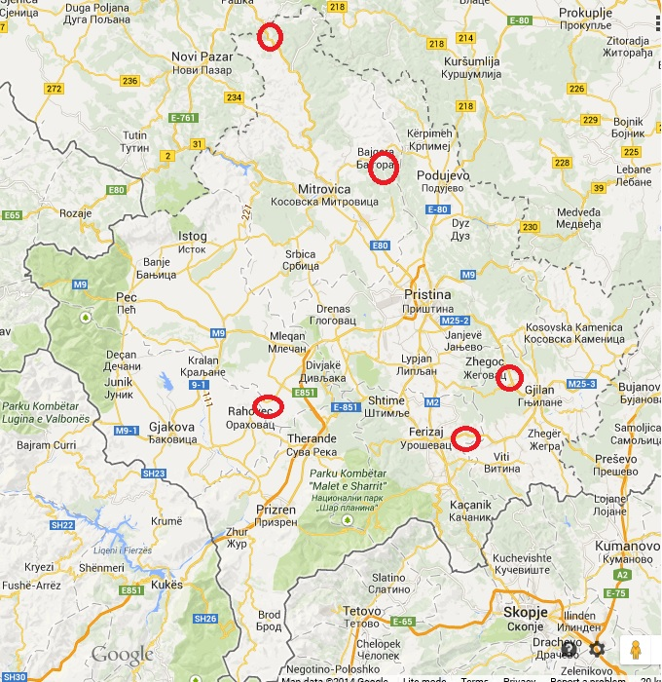
 | #REF! | Site 3 (Village Ponesh - Gadish (agriculture area) , Gjilan) | Site 4 (Camp Bondsteel (military camp) , Ferizaj)
DAY 0 | 1 | 100% | 100%
DAY 1 |  | 48% | 72%
DAY 2 |  | 30% | 54%
DAY 3 |  | 10% | 42%

 |  | Locations - testing ORV up takes

